Calculation
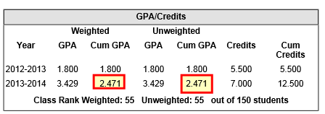
Course Name | Final Mark | GPA Value Weighted | GPA Value UnWeighted | GPA Weight | Credit | GPA Value * GPA Weight Weighted | GPA Value * GPA Weight UnWeighted
INTRO WORLD LITERATURE 10 | A | 4 | 4 | 1 | 1 | 4 | 4
WORLD STUDIES 1750-PRESENT 9 | B | 3 | 3 | 1 | 1 | 3 | 3
US STUDIES 1877-PRESENT | A | 4 | 4 | 1 | 1 | 4 | 4
SPANISH 2 | A | 4 | 4 | 1 | 1 | 4 | 4
HS COMMON CORE MATH 2 | B | 3 | 3 | 1 | 1 | 3 | 3
BIOLOGY | B | 3 | 3 | 1 | 1 | 3 | 3
CHEMISTRY | B | 3 | 3 | 1 | 1 | 3 | 3
ENGLISH 1 | C | 2 | 2 | 1 | 0.5 | 2 | 2
ENGLISH 1 | D | 1 | 1 | 1 | 0.5 | 1 | 1
ALGEBRA 1 | D | 1 | 1 | 1 | 1 | 1 | 1
HONORS PHY SCI | F | 0 | 0 | 1 | 1 | 0 | 0
HEALTH/WELLNESS | A | 4 | 4 | 1 | 0.5 | 4 | 4
VISUAL ART | D | 1 | 1 | 1 | 0.5 | 1 | 1
VISUAL ART | F | 0 | 0 | 1 | 0.5 | 0 | 0
PE/WELLNESS | A | 4 | 4 | 1 | 0.5 | 4 | 4
COMPUTER APPLICATION | B | 3 | 3 | 1 | 1 | 3 | 3
SPANISH 1 | C | 2 | 2 | 1 | 1 | 2 | 2

 |  | sum (gpa weight) |  | 17
 |  | sum(gpa value * gpa weight) |  |  |  | 42 | 42 | sum(gpa value * gpa weight)

 |  |  | WEIGHTED CUM GPA |  |  | 2.471 | 2.471 | UNWEIGHTED CUM GPA

Instructions
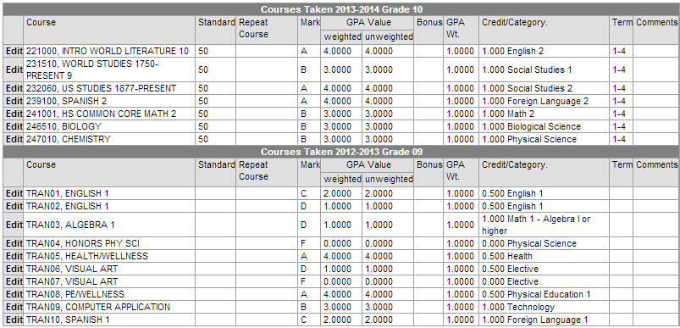

Course Name | Final Mark | GPA Value Weighted | GPA Value UnWeighted | GPA Weight | Credit | GPA Value * GPA Weight Weighted | GPA Value * GPA Weight UnWeighted

